1. Introduction


created by Sam Arthur @ FPCR | Small Sites Metric (The Statutory Biodiversity Metric)

 | Version 1.2.2 Release Date: |  | July 2024

 | Cell style conventions

 |  | Enter data

 |  | Automated equation

 |  | Result

© Natural England/Margaret Nieke 2012
 |  | Title cell
 |  | Title cell alt colour
 | ▲ | Error
 | ⚠ | Attention required |  | Technical Requirements - Excel Versions: 2010, 2013, 2016, 2019, Office 365, Excel for Android
 |  | Use of this cell is not required

4. Supporting Information
Site Name: |  | Waite
Sheet Name |  | Supporting Information

Baseline Habitat Photos |  | Insert photographs to support assumptions made in the metric

Ref | Habitat type | Photo 1 | Photo 2
1 | Date taken | 25/02/2025
 | Developed land; sealed surface | 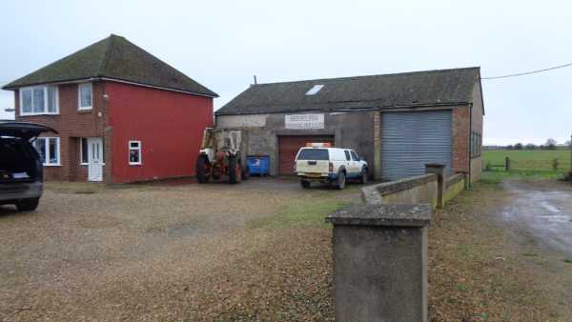
2 | Date taken | 25/02/2025
 | Developed land; sealed surface | 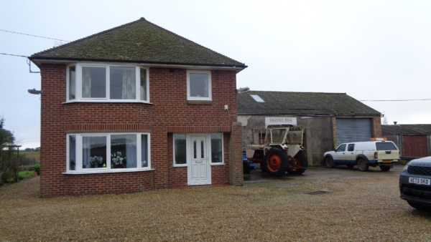
3 | Date taken | 25/02/2025
 | Artificial unvegetated, unsealed surface | 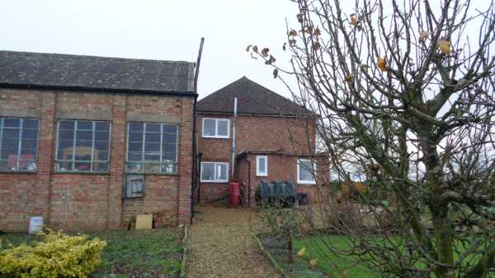
4 | Date taken | 25/02/2025
 | Artificial unvegetated, unsealed surface
5 | Date taken | 25/02/2025
 | Artificial unvegetated, unsealed surface | 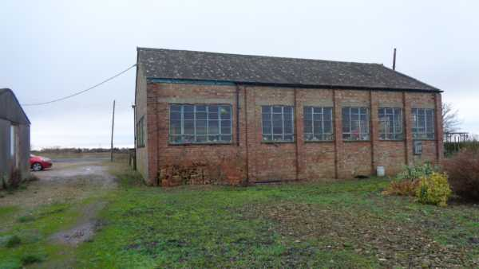
6 | Date taken | 25/02/2025
 | Ruderal/Ephemeral
7 | Date taken | 25/02/2025
 | Artificial unvegetated, unsealed surface | 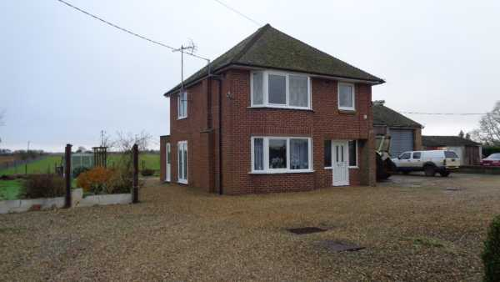
8 | Date taken | 25/02/2025
 | Developed land; sealed surface | 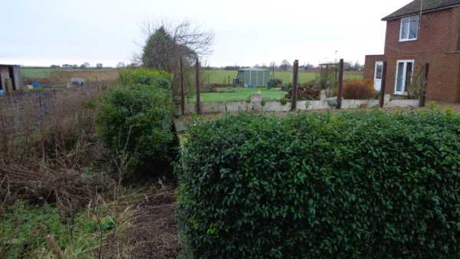
9 | Date taken | 25/02/2025
 | Unvegetated garden | 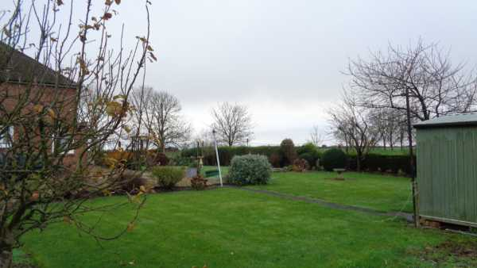
10 | Date taken

11 | Date taken

12 | Date taken

13 | Date taken

14 | Date taken

15 | Date taken

16 | Date taken

17 | Date taken

18 | Date taken

19 | Date taken

20 | Date taken

8. Headline Results
Site Name |  | Waite
Sheet Name |  | Headline Results
Headline Results
Headline |  | BNG Targets Met ✓

Trading Rules |  | Trading Rules Satisfied ✓

Next steps |  | Check for input errors/rule breaks present in the metric ⚠
 |  |  |  | % unit change required
Baseline Units | Habitat units | 0.0765 |  | 0.007653288
 | Hedgerow units | 0.2875 |  | 0.02875248
 | Watercourse units | Zero Units Baseline |  | #VALUE!
 |  |  |  | Target units required (baseline plus extra units needed)
Post-development Units | Habitat units | 0.1275 |  | 0.0842
 | Hedgerow units | 0.4786 |  | 0.3163
 | Watercourse units | 0.0000 |  | #VALUE!

Total net unit change | Habitat units | 0.0510 | ✓ | 10.00%
 | Hedgerow units | 0.1911 | ✓ | 10.00%
 | Watercourse units | 0.0000 | #VALUE! | #VALUE!

Total net % change | Habitat units | 66.62% | ✓ | 66.616496029
 | Hedgerow units | 66.46% | ✓ | 66.457152925
 | Watercourse units | % target not appropriate | #VALUE! | #VALUE!

Habitats units required to meet target |  | 0.0000
Hedgerow units required to meet target |  | 0.0000
Watercourse units required to meet target |  | 0.0000

Chart 1 - Unit change by habitat group

 | Baseline | Provision
Habitat units | 0.08 | 0.13
Hedgerow units | 0.29 | 0.48
River units | 0.00 | 0.00

