1. Introduction


created by Sam Arthur @ FPCR | Small Sites Metric (The Statutory Biodiversity Metric)

 | Version 1.2.2 Release Date: |  | July 2024

 | Cell style conventions

 |  | Enter data

 |  | Automated equation

 |  | Result

© Natural England/Margaret Nieke 2012
 |  | Title cell
 |  | Title cell alt colour
 | ▲ | Error
 | ⚠ | Attention required |  | Technical Requirements - Excel Versions: 2010, 2013, 2016, 2019, Office 365, Excel for Android
 |  | Use of this cell is not required

4. Supporting Information
Site Name:
Sheet Name |  | Supporting Information

Baseline Habitat Photos |  | Insert photographs to support assumptions made in the metric

Ref | Habitat type | Photo 1 | Photo 2
1 | Date taken | 30/03/2025 | 30/03/2025
 |  | 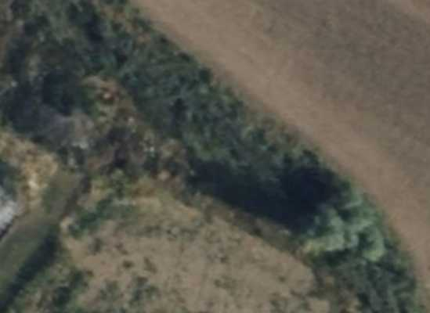 | 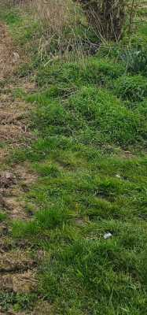
2 | Date taken | 30/03/2025 | 30/03/2025
 |  | 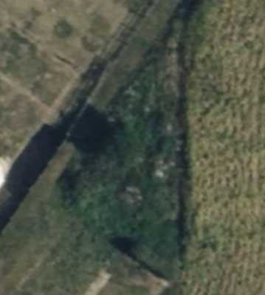 | 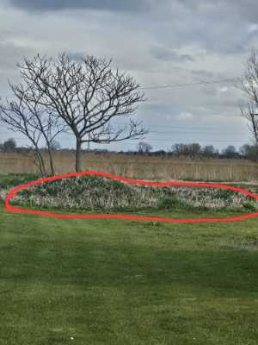
3 | Date taken | 30/03/2025 | 30/03/2025
 |  | 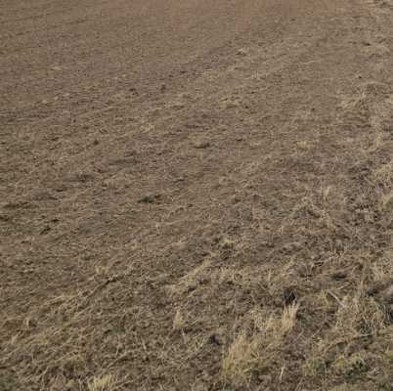 | 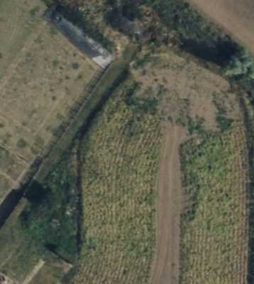
4 | Date taken

5 | Date taken

6 | Date taken

7 | Date taken

8 | Date taken

9 | Date taken

10 | Date taken

11 | Date taken

12 | Date taken

13 | Date taken

14 | Date taken

15 | Date taken

16 | Date taken

17 | Date taken

18 | Date taken

19 | Date taken

20 | Date taken

8. Headline Results
Site Name
Sheet Name |  | Headline Results
Headline Results
Headline

Trading Rules

Next steps
 |  |  | % unit change required
Baseline Units | Habitat units
 | Hedgerow units
 | Watercourse units
 |  |  | Target units required (baseline plus extra units needed)
Post-development Units | Habitat units
 | Hedgerow units
 | Watercourse units

Total net unit change | Habitat units
 | Hedgerow units
 | Watercourse units

Total net % change | Habitat units
 | Hedgerow units
 | Watercourse units

Habitats units required to meet target
Hedgerow units required to meet target
Watercourse units required to meet target

Chart 1 - Unit change by habitat group
 | Baseline | Provision
Habitat units | 0.00 | 0.00
Hedgerow units | 0.00 | 0.00
Watercourse units | 0.00 | 0.00
 | Baseline | Provision
Habitat units
Hedgerow units
River units

